S. Figure 1
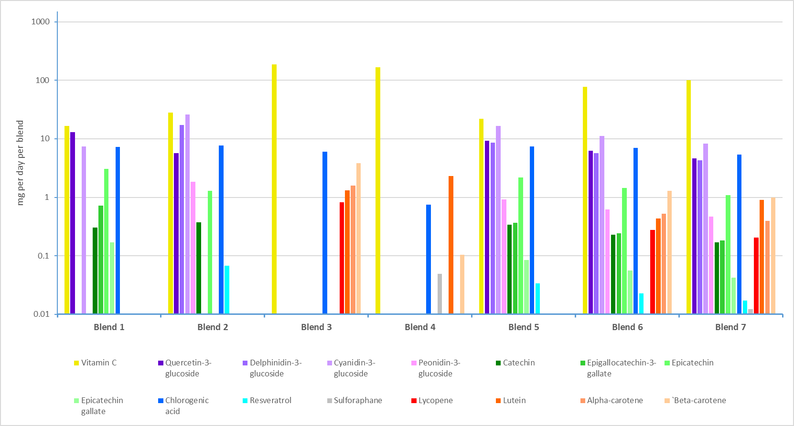

Supplementary Figure 1: The phytochemical content in the ingredients composing each dietary intervention blend. The y-axis is in logarithmic scale to better represent phytochemicals of varying concentrations.

